Sheet1
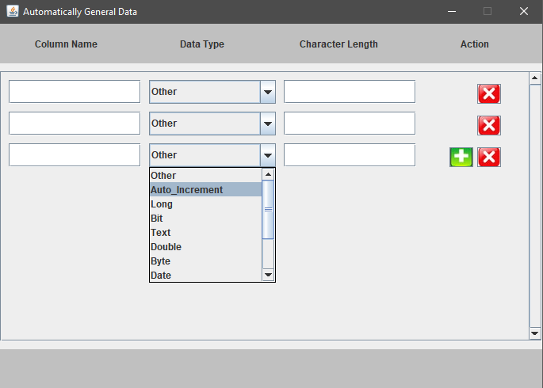

Data combobox: "select",
"Other", "Auto_Increment", "Long", "Bit", "Text", "Double", "Byte", "Date", "Date Time", "Time", "Json", "XML"

case 'Auto_Increment', 'Bit', 'Byte', 'Date', 'Date Time', 'Time', 'Double': the Textfield next to disable and require input column name.
case 'Long', 'Text': the Textfield next to enable and (require input length and column name).

